Bug-
Bug Report
1 | Title | Selected items not present in the shopping cart
2 | Preconditions | Need have account on the page
3 | Steps to Reproduce | 1.Open Google Chrome 2.Go to https://demo.opencart.com/ 3.Choose one of the items 4.Clik "Add to Cart" 5.Go to Shopping Cart
4 | Expected Result | Items should be displayed in the shopping cart
5 | Actual Result | System display a message as "Your shopping cart is empty".
6 | Priority | High
7 | Type | Functionality
8 | Screenshot | 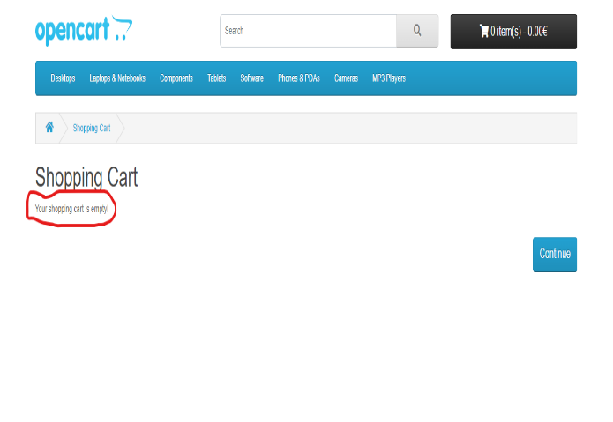 Windows 10 - Google Chrome - Network

